FY SetUp Instructions
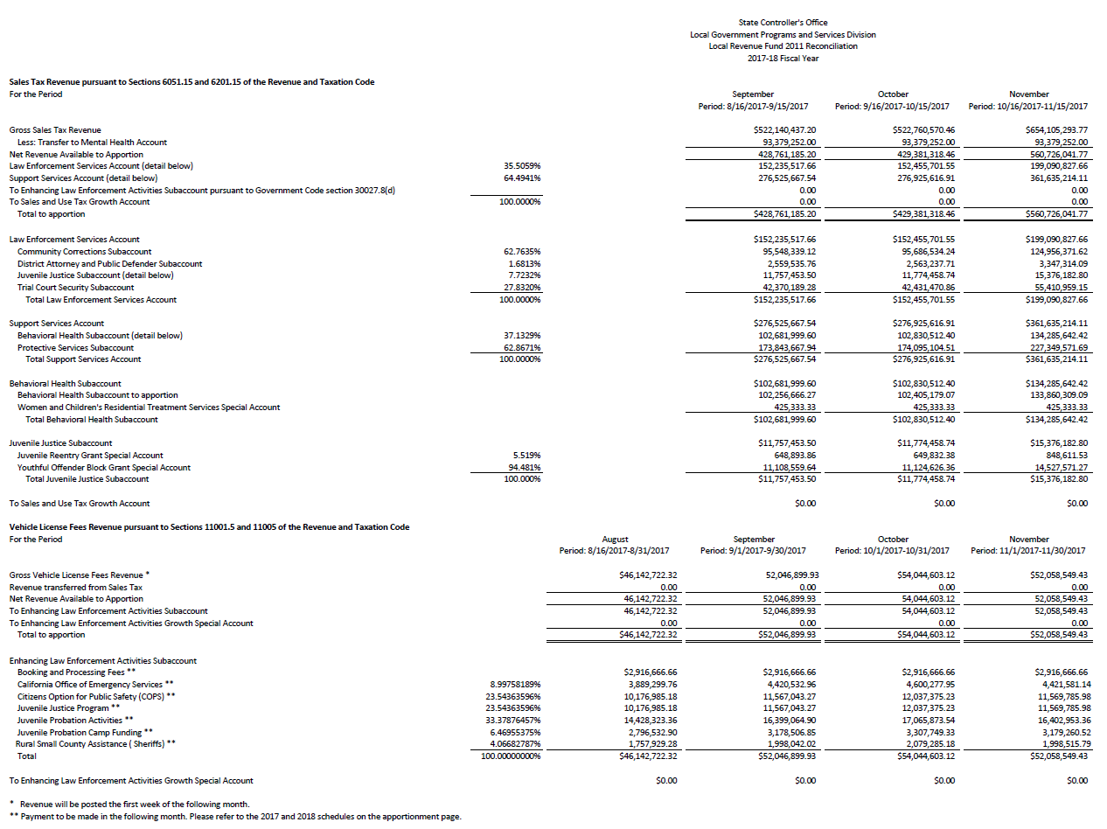
REALIGNMENT - STATEWIDE LOCAL REVENUE FUND 2011

 | FREQUENCY/SCHEDULE: | Annually - September
 | PATH: | G:\FISCAL\Realignment\20xx Realignment
 | LINKS: | Remittance | https://sco.ca.gov/ard_payments_protectiveservices.html
 |  | Reconciliation | https://sco.ca.gov/ard_payments_lrf_recon.html

 | Open Prior Year's Statewide Local Revenue Fund Initial Setup file
 | Save using the existing naming convention, with the new Fiscal Year
 | Open Prior Year's Statewide Local Revenue Fund AUGUST file with Growth and use as reference
 | Click on the Remittance Link above and choose the Fiscal Year, then under Remittance Advice, choose the month
 | Search for San Mateo and print the page for just the county. Make note of payment issue date and Net Claim
 | Click on the Reconciliation Link above and choose the Fiscal Year to bring up the monthly State recon. PRINT
 | Refer to the State Recon file when completing the following on the Monthly Receipts Input sheet:
 | On cell D1, input the MONTH
 | Complete lines 5-7 and 14-17 of the corresponding month
 | DO NOT ENTER ANYTHING ELSE BELOW OR IN THE FOLLOWING TABS
 | Verify that the totals in the bottom portion match with your entries
 | Go to County Dist Support Svc Acct tab, compare the distribution totals with the AB 118 Analysis file
 | Print a copy of the Statewide Forcast Model tab for Robert

 | COUNTY ONE TIME INPUT BASE:
 | Change the Fiscal Year on cell C1
 | Change the Amounts in Col B (blue fonts) of Support Services and Law Enforcement (see Aug file- for next year tab)

County One Time Input-BASE
Enter County name here. The % distribution to subaccounts should automatically change. However, the distribution to Programs is not automatic.
 | FISCAL YEAR: | 2017-18
 | COUNTY: | San Mateo

***Allocations and Ratios Change every year***

 | SUPPORT SERVICES ACCOUNT | 64.4941%

Subaccount | Subaccount Distribution Statewide Per SB1020 | % Of Distribution (Per SB1020) | % To Total Local Revenue Fund 2011 | San Mateo County Portion (% Of Alloc Per CFL 12/13-16 & BH Spreadsheet | San Mateo County Portion

PROTECTIVE SERVICES | $2,258,027,909 | 62.86706562% | 0.4054556 | 1.009150000% | 22,786,889
BEHAVIORAL HEALTH | $1,328,618,218 | 36.99083096% | 0.2385691 | 1.026050200% | 13,632,290
WCRTS (FIXED AMT) | $5,104,000 | 0.14210343% | 0.0009165 | 0.000000000% | -
Alameda | $687,665 | 13.47306034%
Marin | $728,485 | 14.27282524%
Los Angeles | $2,132,488 | 41.78072100%
San Diego | $553,940 | 10.85305643%
San Francisco | $182,286 | 3.57143417%
San Joaquin | $819,136 | 16.04890282%
TOTAL | $3,591,750,127 | 100.00000000% | 64.4941% |  | 36,419,179

 | LAW ENFORCEMENT SERVICES ACCOUNT | 35.5059%

Subaccount | Subaccount Distribution Statewide Per SB1020 | % Of Distribution (Per SB1020) | % To Total Local Revenue Fund 2011 | San Mateo County Portion (% of Allocation) | San Mateo County Portion

TRIAL COURT SECURITY | $550,340,287 | 27.83204287% | 0.09882010944 | 2.062800000% | $11,352,419
COMMUNITY CORRECTIONS | $1,241,062,434 | 62.76353685% | 0.2228474428 | 1.314941070% | $16,319,240
DA & PUBLIC DEFENDER | $33,244,162 | 1.68123790% | 0.0059693826392 | 1.244501370% | $413,724
JUVENILE JUSTICE | $152,715,287 | 7.72318238% | 0.027421836449 | 1.804045986% | $2,755,054
Youth Offender Block Grant | $144,286,930 | 94.48100000% |  | 1.909427278% | $2,755,054
Juvenile Reentry Grant | $8,428,357 | 5.51900000% |  | 0.000000000% | $-
TOTAL | $1,977,362,169 | 100.00000000% | 35.5059% |  | $33,595,491

TOTAL SS AND LAW ENFORCE | $5,569,112,296 |  | 100.0000%

ALLOCATION OF SUPPORT SERVICES

PROTECTIVE SERVICES SUBACCOUNT DETAIL |  | $2,258,027,909 |  | COUNTY PORTION | 22,786,889
Need Counties' input based on distrib of prior year receipts + growth + add'l AB12
PROGRAM | STATEWIDE % DIST BASED ON CFL 12/13-16 | ESTIMATED STATEWIDE DISTRIBUTION TO PROGRAMS |  | San Mateo County % Distribution | San Mateo County Portion (Distribution to Programs)

Adoption Assistance Program | 21.067117824% | 475,701,400 |  | 12.923985390% | 2,944,974
Foster Care (Assistance)**** | 21.629628514% | 488,403,048 |  | 15.281752950% | 3,482,236
Adoptions (Admin) | 3.147283289% | 71,066,535 |  | 6.456963170% | 1,471,341
Child Abuse Prevention (CAPIT) | 0.747589951% | 16,880,790 |  | 1.144882290% | 260,883
Adult Protective Services | 3.045116657% | 68,759,584 |  | 6.344643470% | 1,445,747
Child Welfare Services | 44.616442909% | 1,007,451,733 |  | 52.799938930% | 12,031,463
AB 12 | 2.099325028% | 47,403,345 |  | 2.375966720% | 541,409
Foster Care Administration | 2.139268556% | 48,305,281 |  | 2.671867080% | 608,835
Contract Svcs Acct - Santa Clara | 1.508227273% | 34,056,193 |  | 0.000000000% | -
 |  | - |  | 0.000000000% | -
TOTAL PROTECTIVE SVC | 100.000000000% | 2,258,027,909 |  | 100.000000000% | 22,786,889

Need Counties' input based on distrib of prior year receipts + growth
BEHAVIORAL HEALTH SUBACCOUNT DETAIL |  | $1,328,618,218 |  | COUNTY PORTION | 13,632,290

PROGRAM | STATEWIDE % DIST BASED ON SPREADSHEET | STATEWIDE DISTRIBUTION TO PROGRAMS |  | San Mateo County % Distribution (PROG/TOT PS) per BH Spreadsheet | San Mateo County Portion (Distribution to Programs)

Substance Abuse Fund | 18.602922782% | 247,161,821 |  | 20.295978920% | 2,766,807
Mental Health Fund | 81.397077218% | 1,081,456,397 |  | 79.704021080% | 10,865,483
TOTAL PROTECTIVE SVC | 100.0000000% | 1,328,618,218 |  | 100.0000000% | 13,632,290

DISTRIBUTION BY COUNTY - SUPPORT SERVICES
***Allocations and Ratios Change every year***

 | PROTECTIVE SERVICES ALLOCATION | $2,258,027,909 |  | BEHAVIORAL HEALTH | $1,328,618,218
 |  |  |  | (EXCLUDING WCRTS)
 | PROTECTIVE SERVICES |  |  | BEHAVIORAL HEALTH

 |  |  |  | NEW % PER DOF LETTER TO SCO
ALAMEDA | 4.071795000% | $91,942,267 |  | 5.159810600% | $68,554,184
ALPINE | 0.041193000% | $930,149 |  | 0.017555500% | $233,246
AMADOR | 0.081094000% | $1,831,125 |  | 0.065280400% | $867,327
BUTTE | 0.868153000% | $19,603,137 |  | 0.925987900% | $12,302,844
CALAVERAS | 0.128019000% | $2,890,705 |  | 0.096484200% | $1,281,907
COLUSA | 0.076925000% | $1,736,988 |  | 0.086356600% | $1,147,350
CONTRA COSTA | 2.272715000% | $51,318,539 |  | 2.690386400% | $35,744,964
DEL NORTE | 0.204086000% | $4,608,319 |  | 0.111520800% | $1,481,686
EL DORADO | 0.373313000% | $8,429,512 |  | 0.235998100% | $3,135,514
FRESNO | 2.374562000% | $53,618,273 |  | 2.614348300% | $34,734,708
GLENN | 0.146798000% | $3,314,740 |  | 0.106275500% | $1,411,996
HUMBOLT | 0.571422000% | $12,902,868 |  | 0.441911200% | $5,871,313
IMPERIAL | 0.442591000% | $9,993,828 |  | 0.727480000% | $9,665,432
INYO | 0.075331000% | $1,700,995 |  | 0.060510000% | $803,947
KERN | 2.868804000% | $64,778,395 |  | 2.229010400% | $29,615,038
KINGS | 0.374753000% | $8,462,027 |  | 0.205465900% | $2,729,857
LAKE | 0.238565000% | $5,386,864 |  | 0.237259300% | $3,152,270
LASSEN | 0.174972000% | $3,950,917 |  | 0.099017900% | $1,315,570
LOS ANGELES | 31.863145000% | $719,478,707 |  | 36.695229410% | $487,539,503
MADERA | 0.328955000% | $7,427,896 |  | 0.284506700% | $3,780,008
MARIN | 0.317507000% | $7,169,397 |  | 0.358913100% | $4,768,585
MARIPOSA | 0.091955000% | $2,076,370 |  | 0.073012800% | $970,061
MENDOCINO | 0.512496000% | $11,572,303 |  | 0.472958400% | $6,283,811
MERCED | 0.713778000% | $16,117,306 |  | 0.866366200% | $11,510,699
MODOC | 0.050862000% | $1,148,478 |  | 0.057193800% | $759,887
MONO | 0.053256000% | $1,202,535 |  | 0.035991200% | $478,186
MONTEREY | 0.808430000% | $18,254,575 |  | 1.100507000% | $14,621,536
NAPA | 0.287626000% | $6,494,675 |  | 0.290958000% | $3,865,721
NEVADA | 0.169261000% | $3,821,961 |  | 0.308337700% | $4,096,631
ORANGE | 5.085891000% | $114,840,838 |  | 3.723468900% | $49,470,686
PLACER | 0.842924000% | $19,033,459 |  | 0.326266700% | $4,334,839
PLUMAS | 0.100424000% | $2,267,602 |  | 0.075488000% | $1,002,947
RIVERSIDE | 5.468132000% | $123,471,947 |  | 3.039490700% | $40,383,227
SACRAMENTO | 5.106609000% | $115,308,656 |  | 4.601015500% | $61,129,930
SAN BENITO | 0.113771000% | $2,568,981 |  | 0.082294900% | $1,093,385
SAN BERNARDINO | 5.280609000% | $119,237,625 |  | 4.079987200% | $54,207,453
SAN DIEGO | 7.104828000% | $160,428,999 |  | 5.376999900% | $71,439,800
SAN FRANCISCO | 2.186942000% | $49,381,761 |  | 2.757617200% | $36,638,204
SAN JOAQUIN | 1.934130000% | $43,673,195 |  | 1.711023600% | $22,732,971
SAN LUIS OBISPO | 0.794906000% | $17,949,199 |  | 0.704279800% | $9,357,190
SAN MATEO | 1.009150000% | $22,786,889 |  | 1.026050200% | $13,632,290
SANTA BARBARA | 0.755268000% | $17,054,162 |  | 0.820438500% | $10,900,495
SANTA CLARA | 3.773899000% | $85,215,693 |  | 6.058471900% | $80,493,961
SANTA CRUZ | 0.572380000% | $12,924,500 |  | 0.805748700% | $10,705,324
SHASTA | 0.667544000% | $15,073,330 |  | 0.506776200% | $6,733,121
SIERRA | 0.041705000% | $941,711 |  | 0.018334900% | $243,601
SISKIYOU | 0.174860000% | $3,948,388 |  | 0.139141200% | $1,848,655
SOLANO | 0.648394000% | $14,640,917 |  | 1.086112700% | $14,430,291
SONOMA | 1.148453000% | $25,932,389 |  | 0.697841400% | $9,271,648
STANISLAUS | 1.096107000% | $24,750,402 |  | 1.180894500% | $15,689,579
SUTTER | 0.315045000% | $7,113,804 |  | 0.575000400% | $7,639,560
TEHAMA | 0.302782000% | $6,836,902 |  | 0.149051090% | $1,980,320
TRINITY | 0.114356000% | $2,582,190 |  | 0.062562700% | $831,219
TULARE | 1.182975000% | $26,711,906 |  | 1.910908300% | $25,388,676
TUOLUMNE | 0.171228000% | $3,866,376 |  | 0.090280900% | $1,199,488
VENTURA | 1.120376000% | $25,298,403 |  | 1.474775000% | $19,594,129
YOLO | 0.489093000% | $11,043,856 |  | 0.265045700% | $3,521,445
YUBA | 0.365760000% | $8,258,963 |  | 0.000000000% | $-
SANTA CLARA -Contract Svcs | 1.449096000% | $32,720,992 |  | 0.000000000% | $-
TOTAL | 100.00000% | $2,258,027,886 |  | 100.00000000% | $1,328,618,218

ALLOCATION OF LAW ENFORCEMENT SERVICES ACCOUNT

DISTRIBUTION BY COUNTY - LAW ENFORCEMENT ACCOUNT
***Allocations and Ratios Change every year***

 | TRIAL COURT SECURITY | $550,340,287 |  | COMMUNITY CORRECTIONS | $1,241,062,434

 | TRIAL COURT SECURITY |  |  | COMMUNITY CORRECTIONS

 | PER SB1020 30029.05 |  |  | SAME AS LAST YEAR
ALAMEDA | 4.412800000% | $24,285,416 |  | 3.689419181% | $45,787,995
ALPINE | 0.002500000% | $13,759 |  | 0.020298209% | $251,913
AMADOR | 0.114100000% | $627,938 |  | 0.124492901% | $1,545,035
BUTTE | 0.381800000% | $2,101,199 |  | 0.625827740% | $7,766,913
CALAVERAS | 0.071100000% | $391,292 |  | 0.100648700% | $1,249,113
COLUSA | 0.029600000% | $162,901 |  | 0.062592611% | $776,813
CONTRA COSTA | 2.740500000% | $15,082,076 |  | 1.880872179% | $23,342,798
DEL NORTE | 0.066200000% | $364,325 |  | 0.088842510% | $1,102,591
EL DORADO | 0.489600000% | $2,694,466 |  | 0.326370038% | $4,050,456
FRESNO | 2.989200000% | $16,450,772 |  | 2.953592720% | $36,655,930
GLENN | 0.095000000% | $522,823 |  | 0.104158211% | $1,292,668
HUMBOLT | 0.227500000% | $1,252,024 |  | 0.390972201% | $4,852,209
IMPERIAL | 0.245400000% | $1,350,535 |  | 0.431352231% | $5,353,350
INYO | 0.073600000% | $405,050 |  | 0.062459380% | $775,160
KERN | 1.990100000% | $10,952,322 |  | 3.259920041% | $40,457,643
KINGS | 0.190700000% | $1,049,499 |  | 0.627408661% | $7,786,533
LAKE | 0.101200000% | $556,944 |  | 0.225494680% | $2,798,530
LASSEN | 0.032600000% | $179,411 |  | 0.122695160% | $1,522,724
LOS ANGELES | 29.801900000% | $164,011,862 |  | 31.103580895% | $386,014,858
MADERA | 0.262400000% | $1,444,093 |  | 0.503482142% | $6,248,528
MARIN | 0.610300000% | $3,358,727 |  | 0.445913761% | $5,534,068
MARIPOSA | 0.040200000% | $221,237 |  | 0.051188219% | $635,278
MENDOCINO | 0.270900000% | $1,490,872 |  | 0.209735351% | $2,602,947
MERCED | 0.573900000% | $3,158,403 |  | 0.700993290% | $8,699,764
MODOC | 0.021200000% | $116,672 |  | 0.028993169% | $359,823
MONO | 0.095700000% | $526,676 |  | 0.052739321% | $654,528
MONTEREY | 0.766900000% | $4,220,560 |  | 1.007628320% | $12,505,297
NAPA | 0.325900000% | $1,793,559 |  | 0.292576579% | $3,631,058
NEVADA | 0.168400000% | $926,773 |  | 0.174563459% | $2,166,442
ORANGE | 8.626800000% | $47,476,756 |  | 6.393872870% | $79,351,954
PLACER | 0.769400000% | $4,234,318 |  | 0.648016289% | $8,042,287
PLUMAS | 0.077200000% | $424,863 |  | 0.055035850% | $683,029
RIVERSIDE | 3.202300000% | $17,623,547 |  | 5.881721129% | $72,995,831
SACRAMENTO | 5.129000000% | $28,226,953 |  | 3.753597080% | $46,584,483
SAN BENITO | 0.077700000% | $427,614 |  | 0.143838240% | $1,785,122
SAN BERNARDINO | 5.222600000% | $28,742,072 |  | 7.559995059% | $93,824,259
SAN DIEGO | 6.749900000% | $37,147,419 |  | 6.181233990% | $76,712,973
SAN FRANCISCO | 2.266900000% | $12,475,664 |  | 1.838315610% | $22,814,644
SAN JOAQUIN | 1.705800000% | $9,387,705 |  | 1.942466511% | $24,107,222
SAN LUIS OBISPO | 0.829900000% | $4,567,274 |  | 0.646873600% | $8,028,105
SAN MATEO | 2.062800000% | $11,352,419 |  | 1.314941070% | $16,319,240
SANTA BARBARA | 1.363800000% | $7,505,541 |  | 1.000320181% | $12,414,598
SANTA CLARA | 6.003100000% | $33,037,478 |  | 3.730268109% | $46,294,956
SANTA CRUZ | 0.603800000% | $3,322,955 |  | 0.616885840% | $7,655,938
SHASTA | 0.000000000% | $- |  | 0.613487900% | $7,613,768
SIERRA | 0.005500000% | $30,269 |  | 0.020860191% | $258,888
SISKIYOU | 0.127400000% | $701,134 |  | 0.117022480% | $1,452,322
SOLANO | 1.139800000% | $6,272,779 |  | 0.945058871% | $11,728,771
SONOMA | 1.435300000% | $7,899,034 |  | 0.878801941% | $10,906,481
STANISLAUS | 0.930000000% | $5,118,165 |  | 1.604009809% | $19,906,763
SUTTER | 0.111100000% | $611,428 |  | 0.245021250% | $3,040,867
TEHAMA | 0.113900000% | $626,838 |  | 0.257004191% | $3,189,582
TRINITY | 0.000000000% | $- |  | 0.052382771% | $650,103
TULARE | 1.140200000% | $6,274,980 |  | 1.433448721% | $17,789,994
TUOLUMNE | 0.205900000% | $1,133,151 |  | 0.160367959% | $1,990,266
VENTURA | 2.250900000% | $12,387,610 |  | 1.471773469% | $18,265,628
YOLO | 0.549100000% | $3,021,919 |  | 0.603968651% | $7,495,628
YUBA | 0.108700000% | $598,220 |  | 0.220598511% | $2,737,765
...

